IF
IF for putting 1 of 2 Things is a Cell

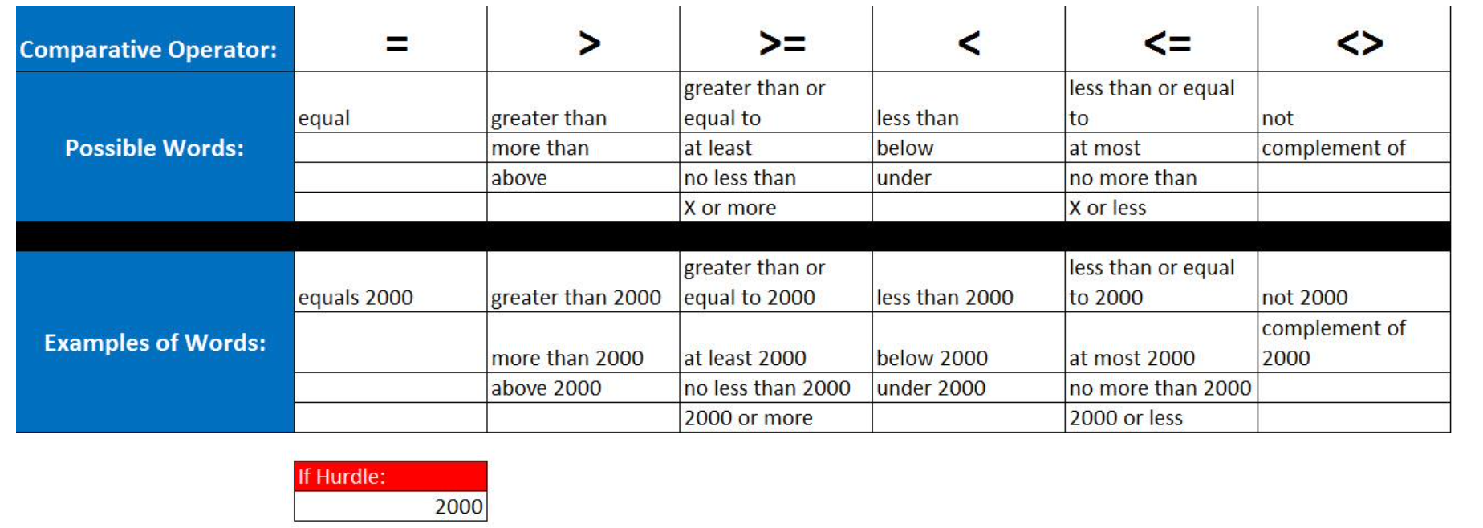
Employee | Sales | Bonus? TRUE or FALSE? | Contract reads: "If employee has sales of $20,000 or
Rod Barbaria | 17,382.00 | FALSE | more they get a bonus
Elinore Cromedy | 19,504.00 | FALSE |  | TRUE or FALSE in each cell
Twanda Spruce | 29,999.99 | TRUE |  | 1 of 2 Logical values
Darius Raffety | 30,000.01 | TRUE
Frida Vickerson | 16,081.00 | FALSE

Employee | Sales | Bonus? "Bonus" or "No Bonus" | Contract reads: "If employee has sales of $20,000 or
Rod Barbaria | 17,382.00 | No Bonus | more they get a bonus
Elinore Cromedy | 19,504.00 | No Bonus |  | "Bonus" or "No Bonus" in each cell
Twanda Spruce | 29,999.99 | Bonus |  | 1 of 2 Text Items
Darius Raffety | 30,000.01 | Bonus
Frida Vickerson | 16,081.00 | No Bonus

Employee | Sales | Bonus? 0 or $750 | Contract reads: "If employee has sales of $20,000 or
Rod Barbaria | 17,382.00 | 0 | more they get a bonus of $750
Elinore Cromedy | 19,504.00 | 0 |  | 750 or 0 in each cell
Twanda Spruce | 29,999.99 | 750 |  | 1 of 2 Numbers
Darius Raffety | 30,000.01 | 750
Frida Vickerson | 16,081.00 | 0

Employee | Sales | Bonus Commission? 5% or 1% | Contract Reads if you have sales of more than $30,000,
Rod Barbaria | 17,382.00 | 0.01 | you earn a 5% bonus, otherwise you get a 1%
Elinore Cromedy | 19,504.00 | 0.01 | bonus
Twanda Spruce | 29,999.99 | 0.01 |  | 0.05 or 0.01 in each cell
Darius Raffety | 30,000.01 | 0.05 |  | 1 of 2 Numbers
Frida Vickerson | 16,081.00 | 0.01

Phone Owners | Total Data (GB) | "Under" or "Over" | Phone Contract reads if you data is
Rod Barbaria | 1.959 | Over | under 1 GB per month you do not pay extra
Elinore Cromedy | 0.935 | Under |  | "Under" or "Over" in each cell
Twanda Spruce | 1.239 | Over |  | 1 of 2 Text Items
Darius Raffety | 0.281 | Under
Frida Vickerson | 1.316 | Over

Customer | Account Balance | "No Balance" or Show Nothing | Customers either owe the company money or
Rod Barbaria | 0 | No Balance | they have a zero balance "No Balance"
Elinore Cromedy | 25.4 |  |  | No Balance or Show Nothing
Twanda Spruce | 101 |  |  | 1 of 2 Text Items
Darius Raffety | 0 | No Balance
Frida Vickerson | 415.15

IF(1)
 | IF for putting 1 of 2 Things is a Cell

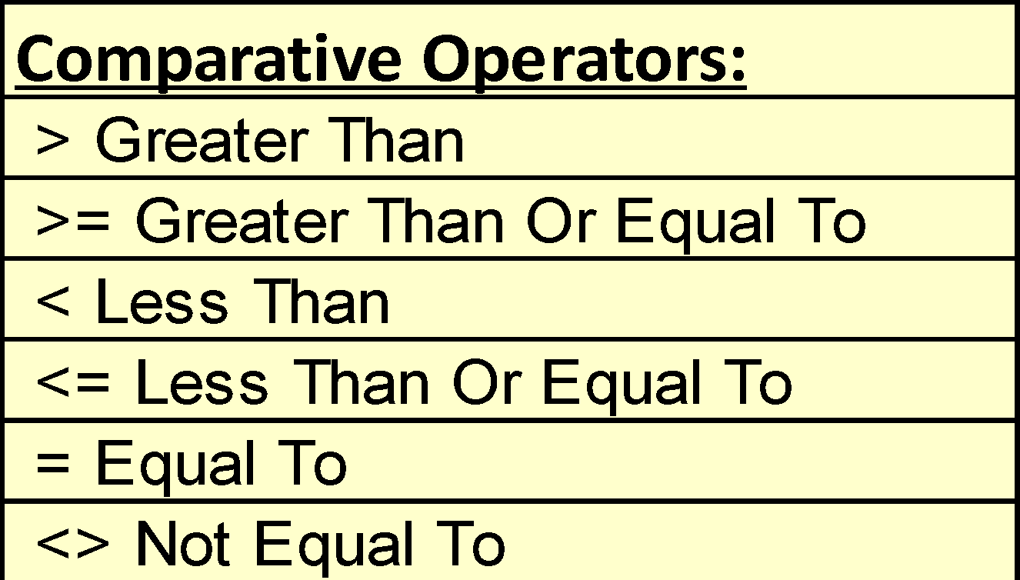
 | Contract reads: If employee has sales of ₹ 50,000 or more they get a bonus
 | Are Your Sales greater than or equal to ₹ 50,000?
 |  |  |  |  |  | Comparative Operators:
Ex 1 | Your Sales | $65,000.00 |  |  |  | > Greater Than
 | Do You Get Bonus? | yes |  |  |  | >= Greater Than Or Equal To
 | Your Bonus | $650.00 |  | Your Bonus | =IF(C7="yes",C10,0) | < Less Than
 |  |  |  |  |  | <= Less Than Or Equal To
 | Bonus Amount | $650 |  |  |  | = Equal To
 | Bonus Hurdle | $50,000 |  |  |  | <> Not Equal To

Ex 2 | Debit Numbers | Credit Numbers
 | $58 | $58
 | $30 | $30
 | $43 | $43
 | $21 | $21

 |  |  | In Balance?

 | $152 | $152 | it's not balanced | In Balance? | =IF(B22=C22,"balanced", "it's not balanced")

